dashboard
EXECUTIVE DASHBOARD

Revenue Per Monh
 | 2016 | 2017 | 2018
Jan | 241184.15 | 316954.77 | 426301.72
Feb | 175768.1 | 348740.47 | 223941.44
Mar | 202157.14 | 348177.13 | 406701.2
Apr | 187223.55 | 254105.57 | 909179.47
Jun | 228701.13 | 297754.66 | 209.99
Jul | 231120.29 | 419892.07 | 12949.89
Aug | 222854.21 | 255727.63 | 10256.91
Sep | 253130.83 | 322553.32 | 9949.96
Oct | 303282.61 | 329388.68 | 4219.92
Nov | 235051.79 | 345316.18 | 12278.93
Dec | 205315.47 | 315881.67 | 7999.96
 | 223695.2 | 291022.87
Total Revenue
 | Total
2016 | 2709484.47
2017 | 3845515.02
2018 | 2023989.39

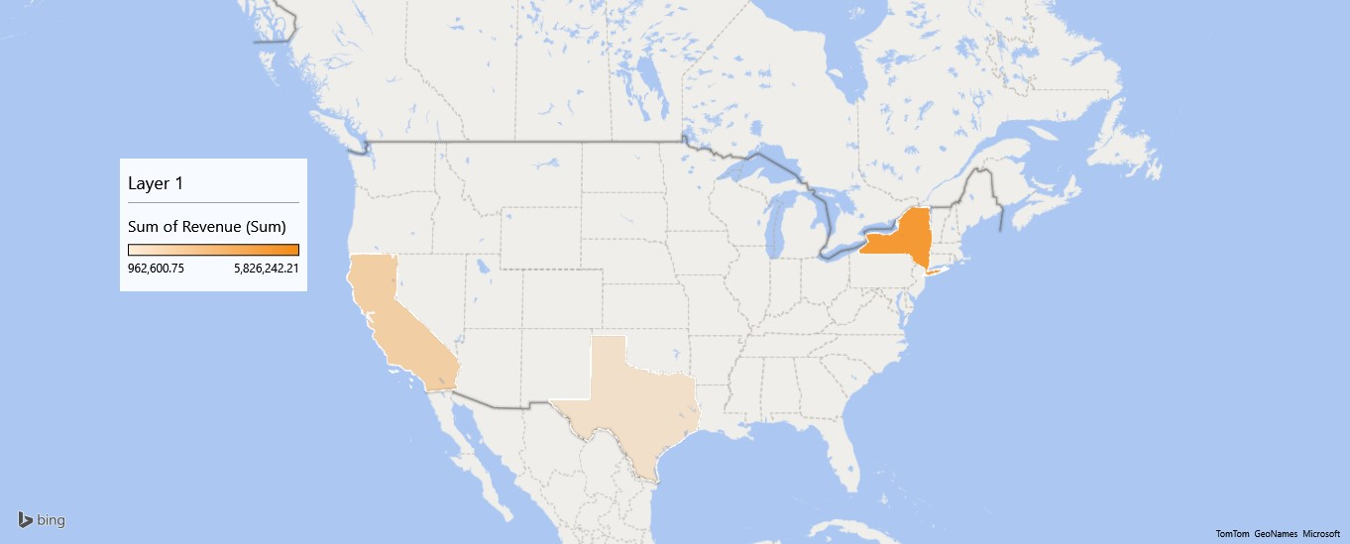

Revenue Per Store
 | Total
Baldwin Bikes | 5826242.21
Rowlett Bikes | 962600.76
Santa Cruz Bikes | 1790145.91
Revenue Per Product
 | Total
Children Bicycles | 327888.21
Comfort Bicycles | 438506.87
Cyclocross Bicycles | 799874.6
Electric Bikes | 1020236.85
Cruisers Bicycles | 1109151.04
Road Bikes | 1852555.6
Mountain Bikes | 3030775.71

Top Ten Customers
 | Total
Shena Carter | 27618.95
Corrina Sawyer | 29214.89
Elinore Aguilar | 29661.83
Debra Burks | 30645.87
Melanie Hayes | 34390.88
Emmitt Sanchez | 34503.82
Lyndsey Bean | 35857.86
Sharyn Hopkins | 37138.86
Abby Gamble | 37500.89
Pamelia Newman | 37801.84
Revenue Per Sales Representative
 | Total
Layla Terrell | 445905.59
Kali Vargas | 516695.17
Mireya Copeland | 837423.65
Genna Serrano | 952722.26
Venita Daniel | 2887353.48
Marcelene Boyer | 2938888.73

